Indices

 | Iraq Stock Exchange
 | Bulletin No (52)
 | ISX Trading Indices of Wednesday 25/3/2026

 | Traded Volume and OTC |  | 878,942,499 |  | Traded Value and OTC |  | 1,144,443,848 |  | Traders | 1114

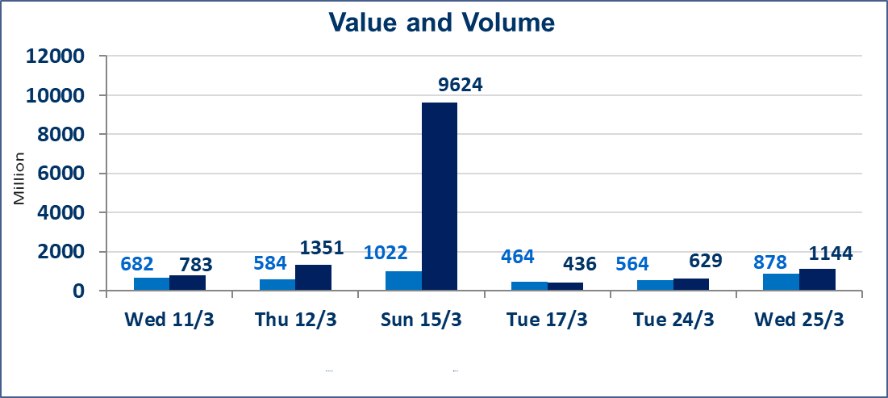
 | ISX Index 60 |  |  | 948.42 | ISX Index 15 |  |  | 1220.02
 | Previous ISX Index60 |  |  | 978.93 | Previous ISX Index15 |  |  | 1232.08
 | Change % |  |  | -3.12 | Change % |  |  | -0.98
 | Change |  |  | -30.51 | Change |  |  | -12.06

 | Listed Companies | 104 | OTC | 14 | Non Traded listed | 39 | OTC | 13
 | Traded Listed Companies | 51 | OTC | 1 | Higher Companies |  |  | 15
 | GAM Companies |  |  | 4 | Lower Companies |  |  | 12
 | Suspended Companies |  |  | 10
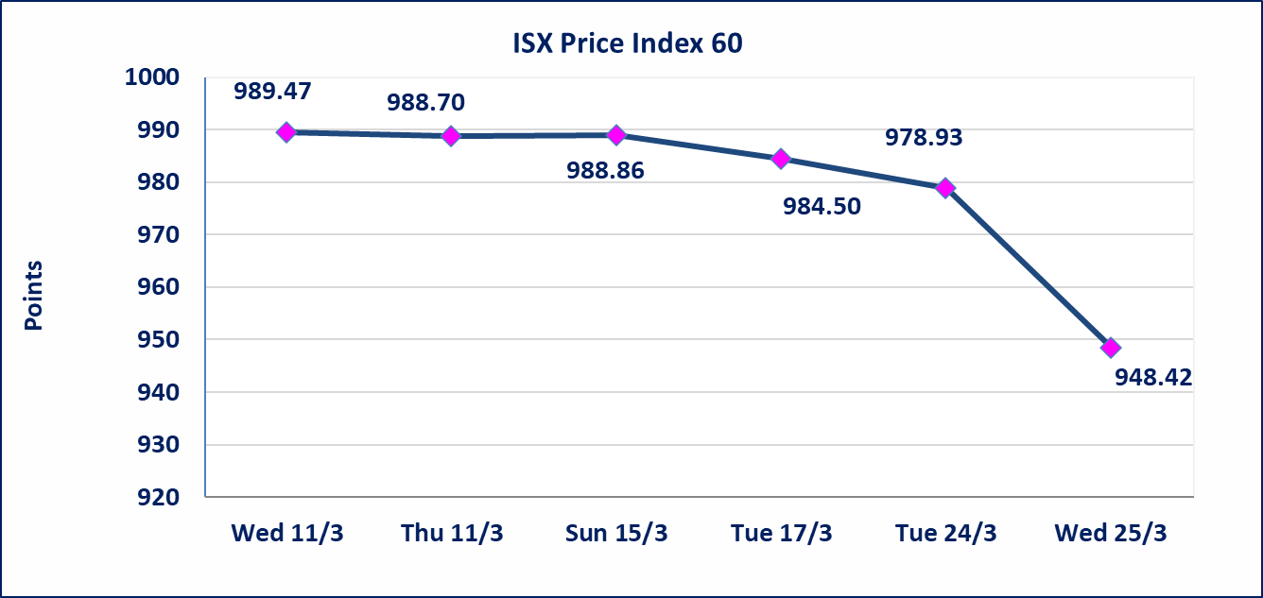
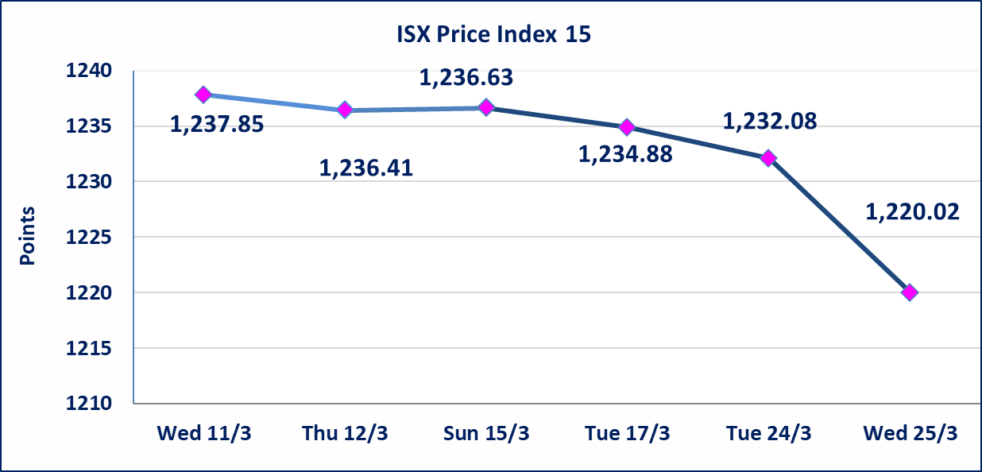

Al-Alwiya P.O . 3607 Mobile: 07711211522 - 07270094594 - 07834000034 E-mail: info-isx@isx-iq.net Web site:www.isx-iq.net

Top 5
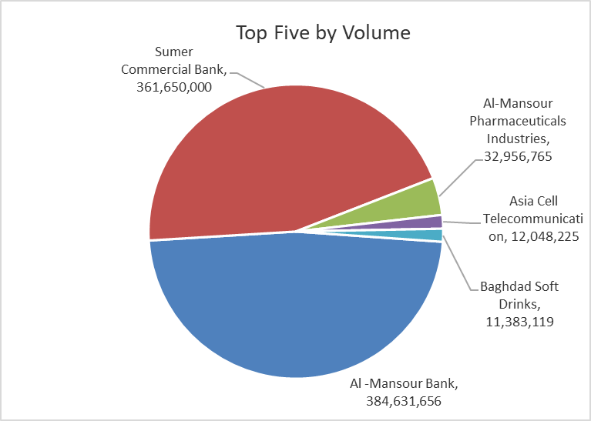
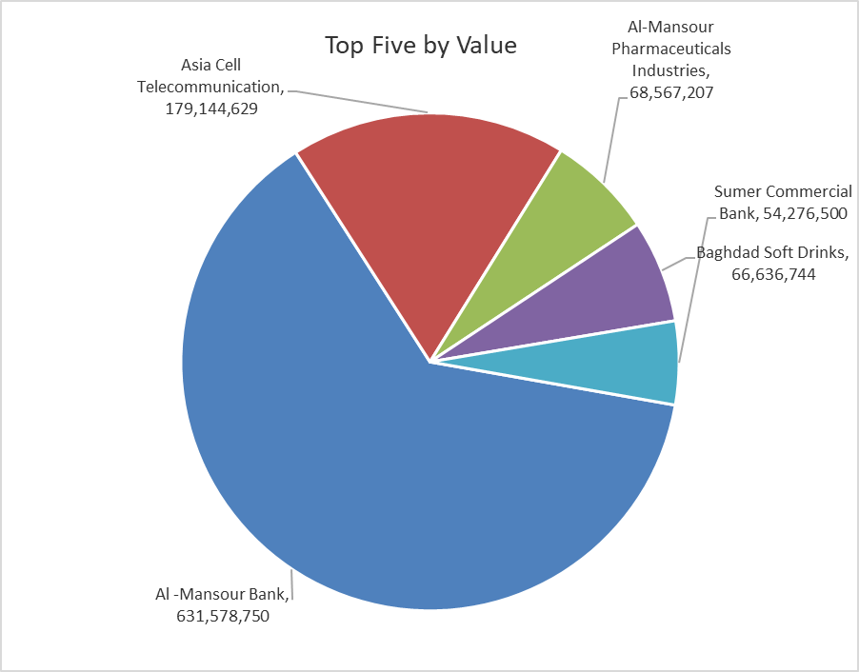

ISX top ganing and losing companies
Wednesday 25/3/2026
 | Gainers |  |  |  | Losers
 | Company Name | Closing Price | Change (%) | Traded Volume | Company Name | Closing Price | Change (%) | Traded Volume
 | Mosul Bank For Investment | 0.150 | 7.14 | 8,100 | Electronic Industry | 1.710 | -4.47 | 1,162,901
 | Al-Hamraa for Insurance | 5.340 | 4.91 | 14,643 | Al-Mosul for funfairs | 6.500 | -4.41 | 3,500
 | AL-Badia for General Trans | 0.910 | 4.60 | 120,000 | Modern Construction Materials | 1.250 | -3.85 | 88,022
 | Ashur International Bank | 0.240 | 4.35 | 2,142,425 | Fallujah for construction Materials | 2.760 | -3.16 | 2,354,315
 | National Islamic Bank | 0.830 | 3.75 | 100,000 | Modern for Animal Production | 0.350 | -2.78 | 845,680
 | The most active companies in term of traded volume and value

 | Traded Volume |  |  |  | Traded Value
 | Company Name | Closing Price | Change (%) | Traded Volume | Company Name | Closing Price | Change (%) | Traded Value
 | Al -Mansour Bank | 1.610 | -24.41 | 384,631,656 | Al -Mansour Bank | 1.610 | -24.41 | 631,578,750
 | Sumer Commercial Bank | 0.160 | 0.00 | 361,650,000 | Asia Cell Telecommunication | 14.880 | 0.54 | 179,144,629
 | Al-Mansour Pharmaceuticals Industries | 2.090 | 0.48 | 32,956,765 | Al-Mansour Pharmaceuticals Industries | 2.090 | 0.48 | 68,567,207
 | Asia Cell Telecommunication | 14.880 | 0.54 | 12,048,225 | Baghdad Soft Drinks | 5.850 | 0.34 | 66,636,744
 | Baghdad Soft Drinks | 5.850 | 0.34 | 11,383,119 | Sumer Commercial Bank | 0.160 | 0.00 | 54,276,500

Non Iraqi

Iraq Stock Exchange
Non Iraqis' Bulletin Wednesday March 25 2026
Regular Market

Non Iraqi Trading of Regular Market (Buy)
Company Names | Code | No.of trades | Traded Shares | Trading Volume
Banks Sector
National Bank Of Iraq | BNOI | 1 | 1,000,000 | 4,850,000
Total Bank sector |  | 1 | 1,000,000 | 4,850,000
Grand Total |  | 1 | 1,000,000 | 4,850,000

Non Iraqi Trading of Regular Market (Sell)
Company Names | Code | No.of trades | Traded Shares | Trading Volume
Banks Sector
Iraqi Middle East Investment Bank | BIME | 2 | 1,000,000 | 60,000
Investment Bank of Iraq | BIBI | 2 | 460,800 | 101,376
Gulf Commercial Bank | BGUC | 3 | 228,401 | 77,940
Total Bank sector |  | 7 | 1,689,201 | 239,316
Services Sector
Kharkh Tour Amuzement City | SKTA | 1 | 50,000 | 206,000
Total Services sector |  | 1 | 50,000 | 206,000
Grand Total |  | 8 | 1,739,201 | 445,316

Not Trading Bonds

Iraq Stock Exchange
Wednesday 25/3/2026
Not Trading Bonds Bulletin
Bond type | Publish type | Code | last trading price | immortilize date
Banaa Bonds /Million ID | Second | CB20 | 964,981 | 19/12/2025
Eamar Bonds /Million ID | First | CB30 | 1,001,095 | ــــــــــــــــ
Eamar Bonds /Million ID | Second | CB40 | ــــــــــــــــ | ــــــــــــــــ
Eamar Bonds /500 Thousand ID | Third | CB45 | ــــــــــــــــ | ــــــــــــــــ
Eamar Bonds /Million ID | Third | CB50 | ــــــــــــــــ | ــــــــــــــــ
Injaz Bonds /500 Thousand ID | First | CB55 | ــــــــــــــــ | ــــــــــــــــ
Injaz Bonds /Million ID | First | CB60 | ــــــــــــــــ | ــــــــــــــــ
Injaz Bonds /500 Thousand ID | Second | CB65 | 503,793 | ــــــــــــــــ
Injaz Bonds /Million ID | Second | CB70 | 1,026,082 | ــــــــــــــــ
Injaz Bonds /500 Thousand ID | Third | CB75 | ــــــــــــــــ | ــــــــــــــــ
Injaz Bonds /Million ID | Third | CB80 | 978,182 | ــــــــــــــــ
National Bonds/Million ID | First | CB90 | ــــــــــــــــ | ــــــــــــــــ
National Bonds/500 Thousand ID | Second | CB95 | ــــــــــــــــ | ــــــــــــــــ
National Bonds/Million ID | Second | CB100 | ــــــــــــــــ | ــــــــــــــــ

